Sheet1
 |  Devise Electronics Pvt Ltd

 | Footprint checklist
 | Note: always refer Recommended layout ( IPC Land Pattern) for footrprint design & check if given in the datasheet & carefully check its Part No, Package & TOP view. Before Start Design Footprint read IPC 7351 standard given link in Referances.
Sr No. | Footprint Paramter | Recommendation | Verified | Remarks
1 | Correct Manufacturer Part No & its Package | Check Part No, Package & Package drawing in ordering information given in the datasheet (SOIC,SOT,QFP etc.) | Yes
2 | Footprint Designed As per TOP View | Refer TOP view from datasheet | Yes
3 | Footprint Designed As per Recommended layout | Refer IPC land Pattern or Recommended layout in datasheet. | Yes
4 | Pad Drill Size | For TH component, It should be larger than actual size. Its better to 0.15mm extra than actual size. | NA
5 | Padstack Naming Convention | It should be as per IPC 7351 standard(Ex. r200_100r5, Rounded Rectangular 2mm X 1mm X 0.05mm radius corners ).Refer IPC-7251 padstack Naming Convention link given in Referances. | NA
6 | Pad Length {L} & Width {b} | It should be larger than actual size. Its better to 0.5mm excess(JT & JH) at Pad edge sideSee below Fig. a & d. As per Producibility & Density Level it should be different for more detail visit IPC 7351 standard, link is given below in Referances. | Yes
7 | Pad Shape | Pad shape as per given in datasheet circular,rectangle,oval etc. | Yes
8 | Thermal Pad (Center Pad) & its via | Refer recommended Layout. | NA
9 | Pad Solder Mask & Paste Mask | solder mask should be 4 to 6 mil extra than Pad size & paste mask should be 2 to 3 mil smaller than Pad size. Sometimes pastemask should be same as per Pad size. | Yes
10 | Pin To Pin Pitch {e} | It should be exact as per mention in datasheet (Ex. 1.27mm,2.54mm etc). See below Fig. a | Yes
11 | Horizontal Pin to Pin Pitch {C} | See below Fig. C | Yes
12 | Vertical Pin to Pin Pitch {D} | See below Fig. C | Yes
13 | Pin Numbering & Sequence | Pin number & sequence as per top view. | Yes
14 | Fiducial FD1 & FD2 for Fine Pitch Conponent (Pitch of 0.635mm or less) | Check 2 Corner Fiducial for fine pitch component (Ex. BGA, QFP). See below Fig. h
15 | Assembly Outline { A & B} | It should be exact as per Component package outline & its width shoud be 0.1mm. See below Fig. e | Yes
16 | Silkscreen Outline { A & B} | It should not be overlap on Pad & its width shoud be 0.2mm. See below Fig. e & f | Yes
17 | Referance Designator | Check appropriate Referance Designator (Ex. For Connector its J & IC its U) | Yes
18 | courtyard excess | It should be min 0.1mm & max 0.5mm. See below Fig. f For more Detail visit below Referance link. | Yes
19 | Placement courtyard line width | It width should be 0.05mm. See Fig. f place outline arrow. For more Detail visit below Referance link. | Yes
20 | Pin No 1 & Polarity Marking In Assembly & Silkcreen | It should be near to Pin No 1. | Yes
21 | Footprint Origin | For TH component it should be at pin no 1 & for smd it should be at center. | Yes
22 | Keepout Area If Given In The Datasheet | See below Fig. g | NA
23 | Edge Marking In Silkscreen & Assembly For Right Angle Connector | Edge marking recommended for Right angle connector to place in PCB edge. See below Fig. g arrow show edge marking | NA
24 | Step File Mapped To Footprint | Check step file associated with Correct Part No is mapped to footprint. | No
25 | step file stand off height {A} & overall height | See below Fig. b | No
26 | Footprint Saved in correct Naming Convention | eg.QFP: QFP + Pitch P + Body Width X Body Length X Height - Pin Qty + Thermal Pad | No | Footprint saved in different naming format.

 |  | Document prepared by
 |  | Ajit Nawale
 |  | Hardware Engineer
 |  | nawaleajit@gmail.com

 | Note: Verified column should not be red.
 | Refer below fig for detail
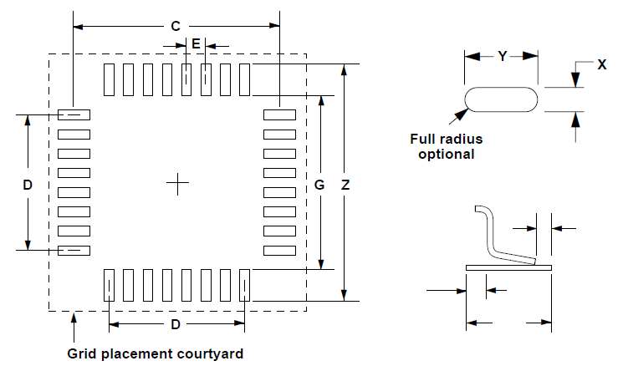
 | 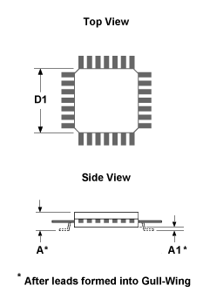 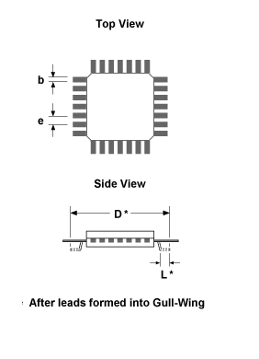

 | Fig [a] Fig [b] | Fig [c]
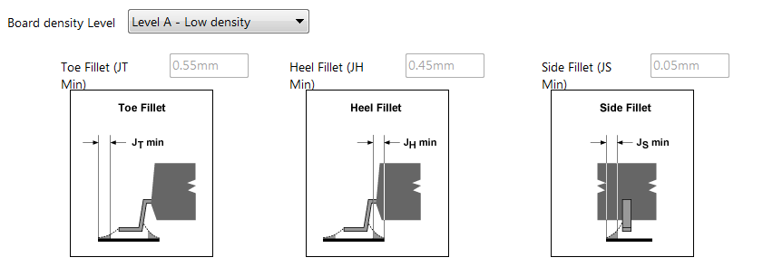
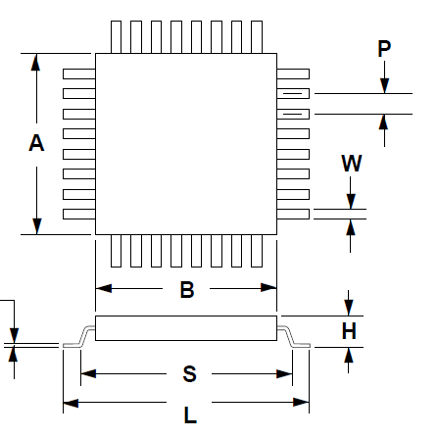

 | Fig [d] | Fig [e]

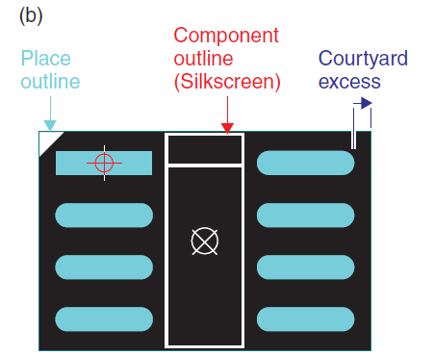

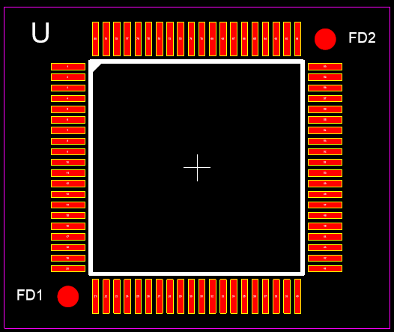
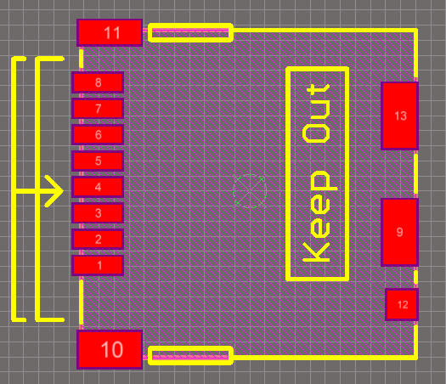

 | Fig [f] | Fig [g] Fig [h]

 | Referances
 | https://www.pcb-3d.com/wordpress/wp-content/uploads/ipc-sm-782a_amendment_1_and_2.pdf | IPC-SM-782A-Surface Mount Design and Land Pattern Standard
 | http://ohm.bu.edu/~pbohn/__Engineering_Reference/pcb_layout/pcbmatrix/IPC-7x51%20Padstack%20Naming%20Convention.pdf | IPC-7251 & 7351 Padstack Naming Convention
 | http://ohm.bu.edu/~pbohn/__Engineering_Reference/pcb_layout/pcbmatrix/IPC-7x51%20&%20PCBM%20Land%20Pattern%20Naming%20Convention.pdf | IPC-7351B Naming Convention for Standard SMT Land Patterns
 | https://www.mikrocontroller.net/attachment/364589/PCB_Design_Optimization_Starts_in_the_CAD_Library.pdf | PCB_Design_Optimization_Starts_in_the_CAD_Library by Tom Hausherr
 | http://caxapa.ru/thumbs/464238/The_CAD_Library_of_the_Future.pdf | The CAD Library for Future by Tom Hausherr

